Sheet1
01-1 (*pmo task)
 | Create git repository for [webcoop_source] and [webcoop_other].

 | Please make repositories for source version management([webcoop_source] and other doment[webcoop_other] sharing , by git.
 | If AEES has git server for dev usage , please request to issue account for webcoop usage, or if AEES doesn't have please make your account by git free service.
 | This shared enviornment is used in your team only ,and should be protected by id/passwd or other way.

 | *Please don't forget to set the repositories as [private]
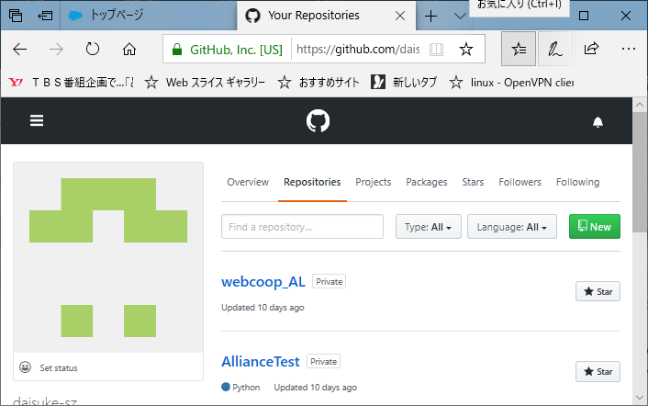
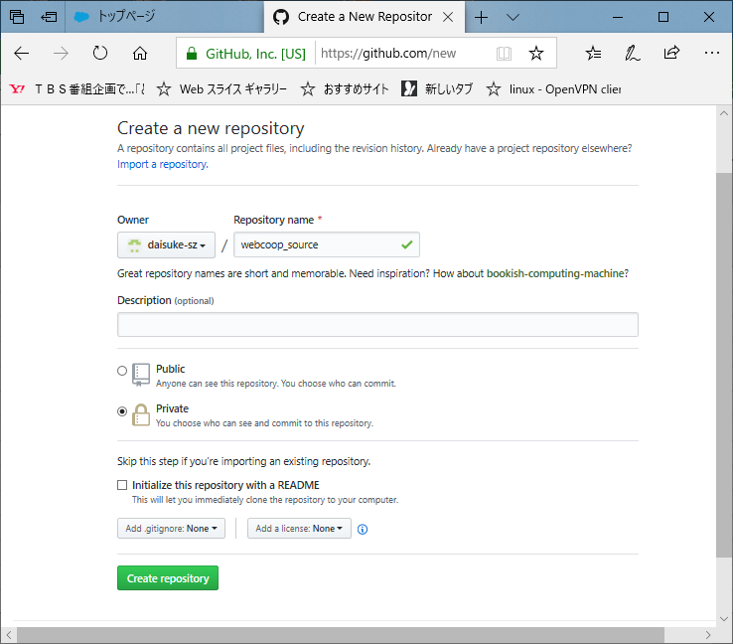

Migration

01-2 (*pmo task)
 | create other team member's git account if they don't have

01-3 (*pmo task)
 | make account for the team member , and manage it ( by ledger book or file)
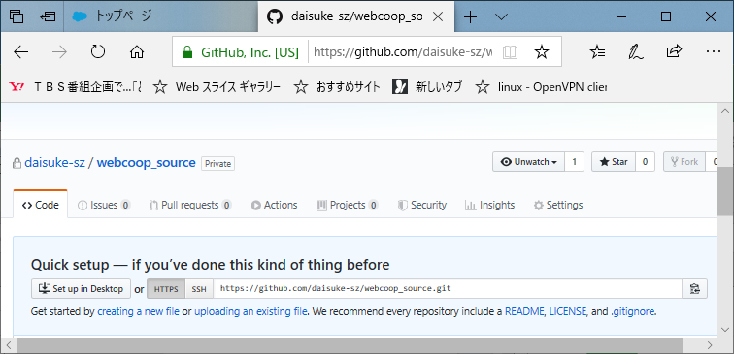
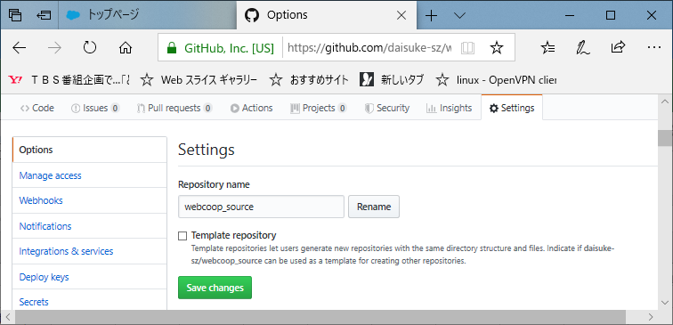

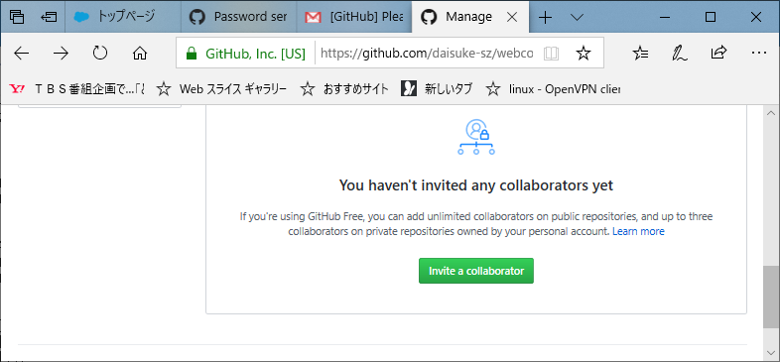
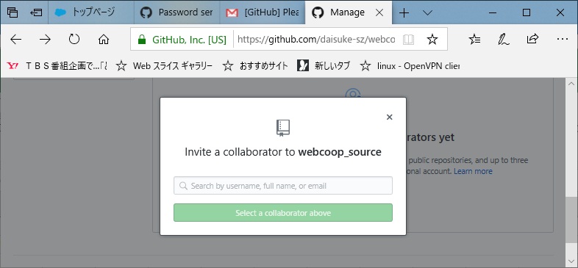

 |  | invite team members

